Week_2
dC/db | W'(updated weight for next epoch) | b'(updated bias for next epopch
0.750 | 9.750 | 9.250
 | 9.750
...
Microsoft Excel - Training Result
0 | 12.50001
1 | 11.81253
2 | 11.12508
3 | 10.43767
4 | 9.75037
5 | 9.06330
6 | 8.37670
7 | 7.69109
8 | 7.00757
9 | 6.32835
10 | 5.65777
11 | 5.00366
12 | 4.37807
...
0.750 | 9.500 | 8.500
 | 9.500
...
0.750 | 9.250 | 7.750
 | 9.250
...
0.750 | 9.000 | 7.000
 | 9.000
...
0.750 | 8.750 | 6.250
 | 8.750
...
0.750 | 8.500 | 5.501
 | 8.500
...
0.749 | 8.250 | 4.752
 | 8.250
...
0.748 | 8.000 | 4.004
 | 8.000
...
0.746 | 7.750 | 3.259
 | 7.750
...
0.741 | 7.500 | 2.518
 | 7.500
...
dC/db | W'(updated weight for next epoch) | b'(updated bias for next epopch
0.731 | 7.250 | 1.786
 | 7.250
...
dC/db | W'(updated weight for next epoch) | b'(updated bias for next epopch
0.714 | 7.000 | 1.072 | Expected outcome
 | 7.000
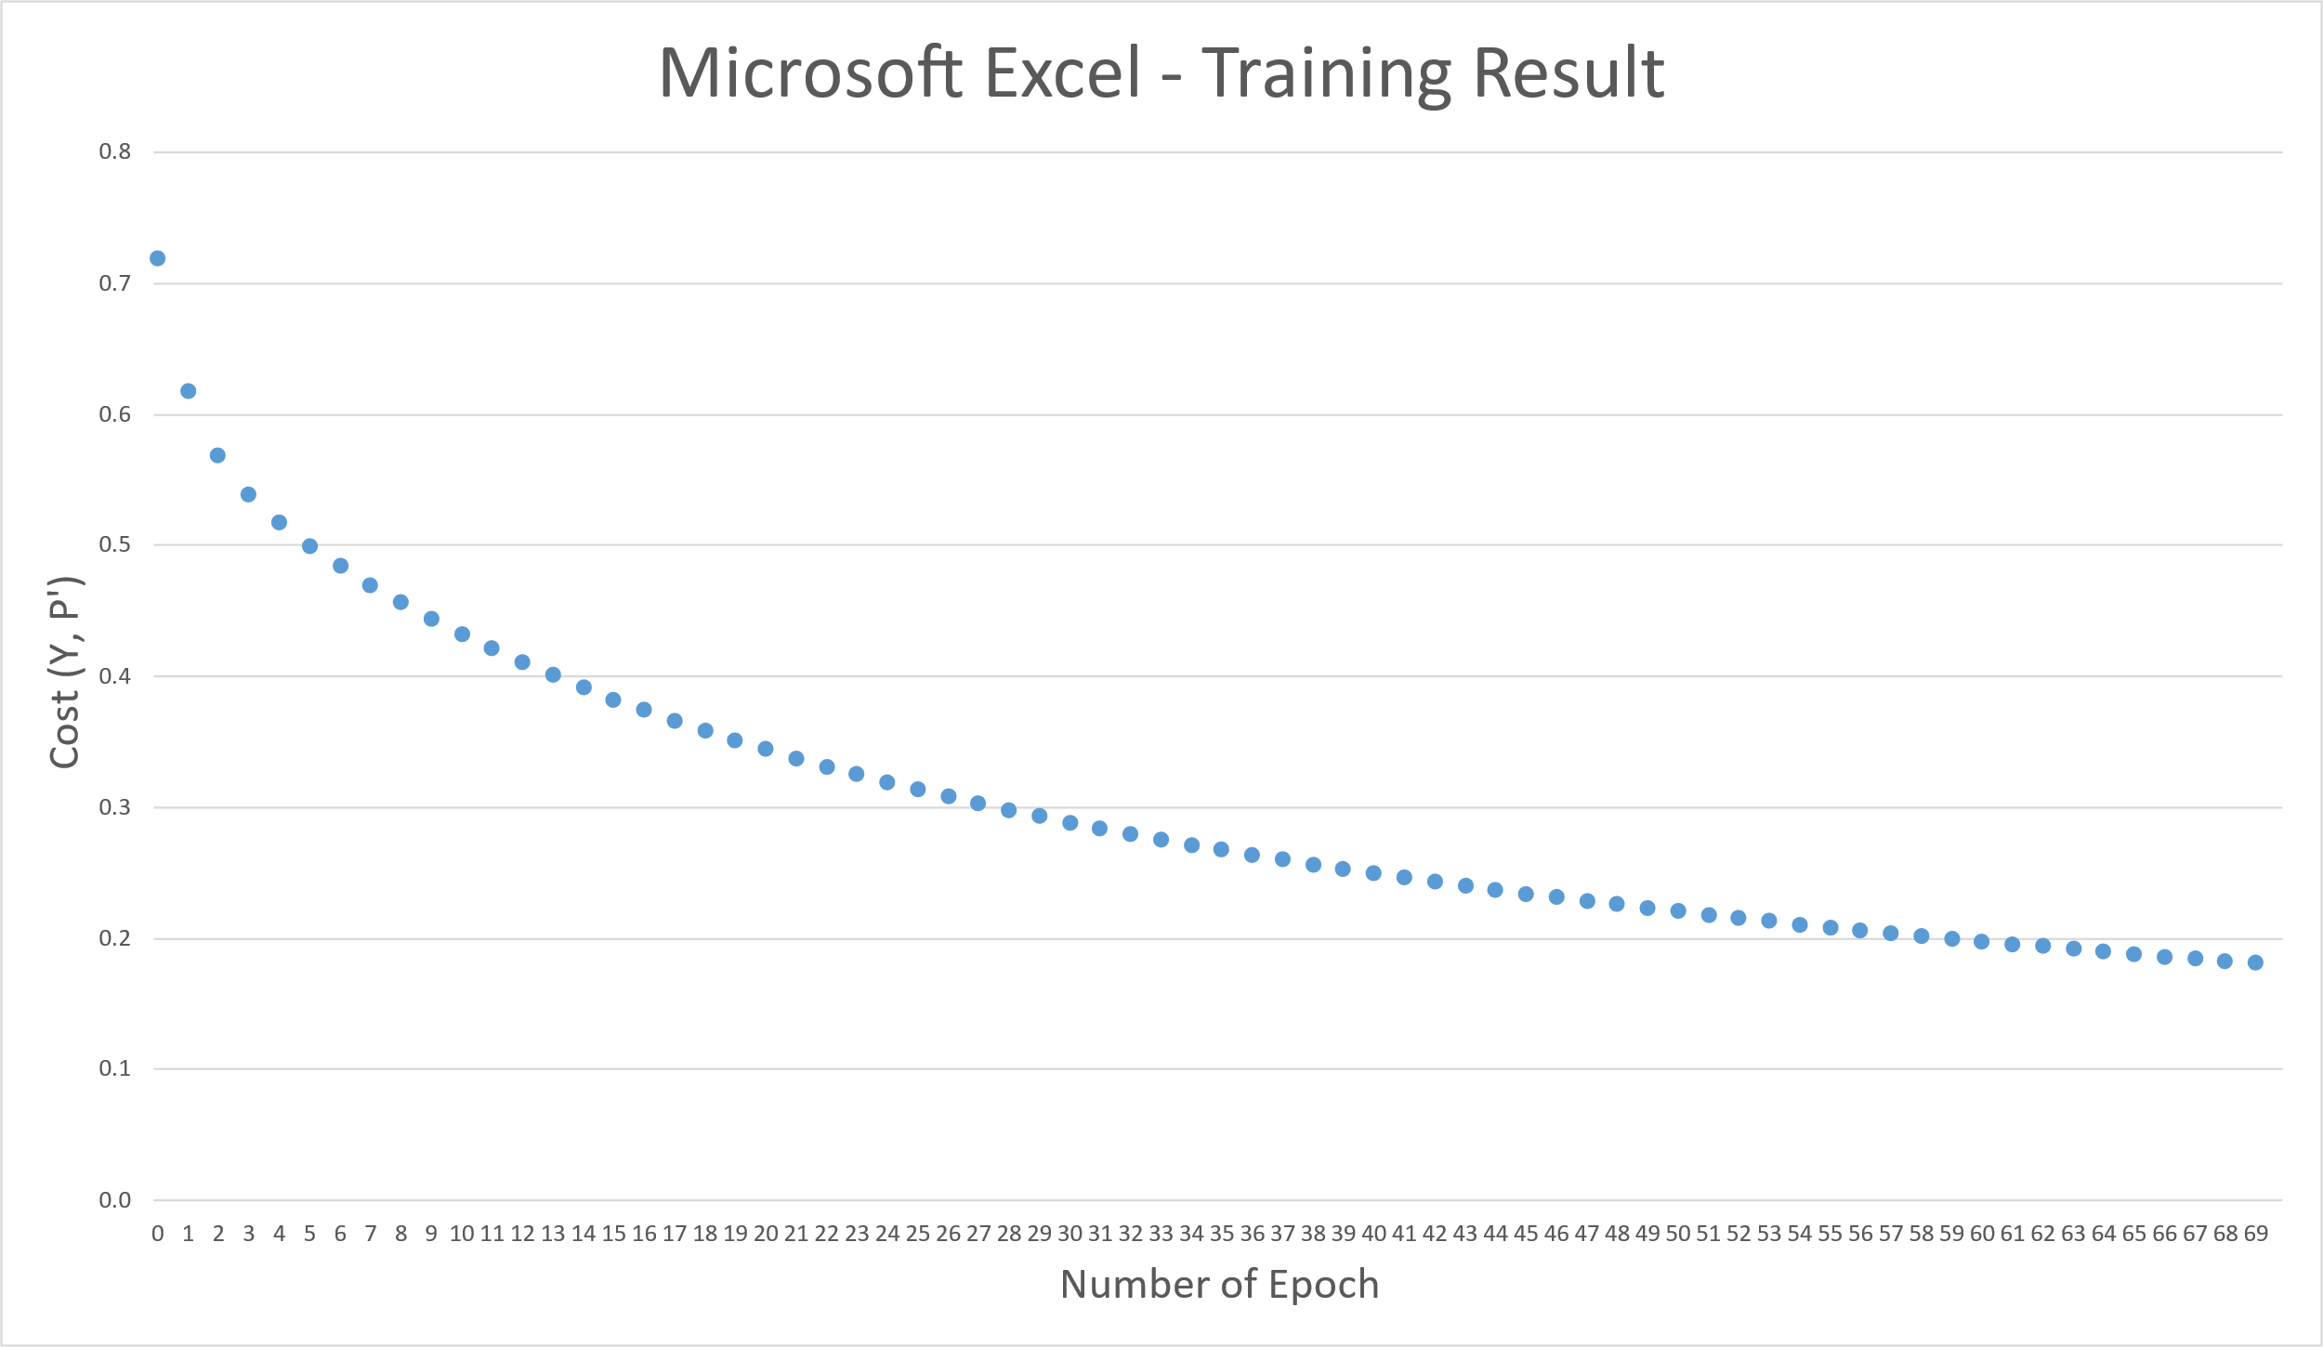
...
dC/db | W'(updated weight for next epoch) | b'(updated bias for next epopch
0.686 | 6.750 | 0.386
 | 6.750
...
dC/db | W'(updated weight for next epoch) | b'(updated bias for next epopch
0.648 | 6.500 | -0.262
 | 6.500
...
dC/db | W'(updated weight for next epoch) | b'(updated bias for next epopch
0.608 | 6.251 | -0.870
 | 6.251
...
dC/db | W'(updated weight for next epoch) | b'(updated bias for next epopch
0.572 | 6.002 | -1.441
 | 6.002
...
dC/db | W'(updated weight for next epoch) | b'(updated bias for next epopch
0.543 | 5.755 | -1.984
 | 5.755
...
dC/db | W'(updated weight for next epoch) | b'(updated bias for next epopch
0.519 | 5.510 | -2.503
 | 5.510
...
dC/db | W'(updated weight for next epoch) | b'(updated bias for next epopch
0.495 | 5.272 | -2.998
 | 5.272
...
dC/db | W'(updated weight for next epoch) | b'(updated bias for next epopch
0.465 | 5.045 | -3.463
 | 5.045
...
dC/db | W'(updated weight for next epoch) | b'(updated bias for next epopch
0.422 | 4.838 | -3.885
 | 4.838
...
dC/db | W'(updated weight for next epoch) | b'(updated bias for next epopch
0.365 | 4.659 | -4.251
 | 4.659
...
dC/db | W'(updated weight for next epoch) | b'(updated bias for next epopch
0.302 | 4.510 | -4.553
...

Week_4.1
...
W' |  | b'
...
Multiclass Logistic Regression Training Result, using Softmax only
1 | 1.3862943611
2 | 1.2690866004
3 | 1.1749595665
4 | 1.0942407558
5 | 1.0229596336
6 | 0.9591939419
7 | 0.90175728417
8 | 0.84977682362
9 | 0.80255465092
10 | 0.75951290525
11 | 0.72016488085
12 | 0.68409608758
13 | 0
...
0.375 | 0.375 | 0.600
0.375 | 0.625 | 0.600
0.625 | 0.375 | 0.600
0.625 | 0.625 | 0.600
0.272 | 0.272 | 0.630
0.259 | 0.743 | 0.601
0.743 | 0.259 | 0.601
0.726 | 0.726 | 0.568
0.183 | 0.183 | 0.676
0.151 | 0.855 | 0.603
0.855 | 0.151 | 0.603
0.811 | 0.811 | 0.518
0.103 | 0.103 | 0.732
0.050 | 0.961 | 0.604
0.961 | 0.050 | 0.604
0.886 | 0.886 | 0.461
0.029 | 0.029 | 0.792
-0.045 | 1.061 | 0.604
1.061 | -0.045 | 0.604
0.955 | 0.955 | 0.401
-0.040 | -0.040 | 0.855
-0.134 | 1.155 | 0.602
1.155 | -0.134 | 0.602
1.019 | 1.019 | 0.341
-0.105 | -0.105 | 0.919
-0.218 | 1.243 | 0.599
1.243 | -0.218 | 0.599
1.081 | 1.081 | 0.283
-0.167 | -0.167 | 0.983
-0.298 | 1.326 | 0.595
1.326 | -0.298 | 0.595
1.139 | 1.139 | 0.227
-0.226 | -0.226 | 1.046
-0.374 | 1.405 | 0.591
1.405 | -0.374 | 0.591
1.195 | 1.195 | 0.173
-0.283 | -0.283 | 1.108
-0.445 | 1.480 | 0.586
1.480 | -0.445 | 0.586
1.248 | 1.248 | 0.121
-0.337 | -0.337 | 1.168
-0.514 | 1.551 | 0.580
1.551 | -0.514 | 0.580
1.300 | 1.300 | 0.072
-0.389 | -0.389 | 1.228
-0.579 | 1.619 | 0.574
...

Week_4.2
...
dW |  | db | W' |  | b'
0.125 | -0.125 | 0.000 | 0.375 | 0.625 | 0.600
-0.125 | 0.125 | 0.000 | 0.625 | 0.375 | 0.600
-0.125 | -0.125 | 0.000 | 0.625 | 0.625 | 0.600
0.121 | 0.121 | -0.005 | 0.254 | 0.254 | 0.605
0.124 | -0.123 | 0.000 | 0.251 | 0.748 | 0.600
-0.123 | 0.124 | 0.000 | 0.748 | 0.251 | 0.600
-0.121 | -0.121 | 0.005 | 0.746 | 0.746 | 0.595
0.118 | 0.118 | -0.010 | 0.136 | 0.136 | 0.615
0.122 | -0.122 | 0.000 | 0.129 | 0.870 | 0.600
-0.122 | 0.122 | 0.000 | 0.870 | 0.129 | 0.600
Multiclass Logistic Regression (Sigmoid + Softmax functions ) Training Result
1 | 1.3862943611
2 | 1.3664128503
3 | 1.3478337943
4 | 1.3304191369
5 | 1.314062966
6 | 1.298684054
7 | 1.2842175089
8 | 1.2706082207
9 | 1.2578066819
10 | 1.2457667448
11 | 1.2344446075
12 | 1.223798435
13 | 0
...
-0.118 | -0.118 | 0.010 | 0.865 | 0.865 | 0.585
0.114 | 0.114 | -0.015 | 0.022 | 0.022 | 0.630
0.121 | -0.120 | 0.001 | 0.008 | 0.990 | 0.599
-0.120 | 0.121 | 0.001 | 0.990 | 0.008 | 0.599
-0.115 | -0.115 | 0.014 | 0.980 | 0.980 | 0.572
0.111 | 0.111 | -0.019 | -0.089 | -0.089 | 0.649
0.120 | -0.118 | 0.001 | -0.112 | 1.109 | 0.598
-0.118 | 0.120 | 0.001 | 1.109 | -0.112 | 0.598
-0.113 | -0.113 | 0.017 | 1.092 | 1.092 | 0.554
0.108 | 0.108 | -0.023 | -0.197 | -0.197 | 0.672
0.119 | -0.117 | 0.001 | -0.231 | 1.226 | 0.597
-0.117 | 0.119 | 0.001 | 1.226 | -0.231 | 0.597
-0.110 | -0.110 | 0.021 | 1.202 | 1.202 | 0.534
0.105 | 0.105 | -0.026 | -0.301 | -0.301 | 0.698
0.118 | -0.115 | 0.001 | -0.350 | 1.341 | 0.596
-0.115 | 0.118 | 0.001 | 1.341 | -0.350 | 0.596
-0.108 | -0.108 | 0.024 | 1.310 | 1.310 | 0.510
0.102 | 0.102 | -0.029 | -0.403 | -0.403 | 0.727
0.117 | -0.114 | 0.002 | -0.467 | 1.454 | 0.595
-0.114 | 0.117 | 0.002 | 1.454 | -0.467 | 0.595
-0.106 | -0.106 | 0.026 | 1.416 | 1.416 | 0.483
0.100 | 0.100 | -0.032 | -0.503 | -0.503 | 0.760
0.116 | -0.112 | 0.002 | -0.583 | 1.566 | 0.593
-0.112 | 0.116 | 0.002 | 1.566 | -0.583 | 0.593
-0.104 | -0.104 | 0.029 | 1.520 | 1.520 | 0.455
0.097 | 0.097 | -0.035 | -0.600 | -0.600 | 0.794
0.115 | -0.111 | 0.002 | -0.698 | 1.677 | 0.591
-0.111 | 0.115 | 0.002 | 1.677 | -0.698 | 0.591
-0.102 | -0.102 | 0.031 | 1.622 | 1.622 | 0.423
0.095 | 0.095 | -0.037 | -0.696 | -0.696 | 0.831
0.114 | -0.109 | 0.002 | -0.813 | 1.786 | 0.589
-0.109 | 0.114 | 0.002 | 1.786 | -0.813 | 0.589
-0.100 | -0.100 | 0.033 | 1.722 | 1.722 | 0.390
0.093 | 0.093 | -0.039 | -0.789 | -0.789 | 0.870
0.113 | -0.108 | 0.002 | -0.926 | 1.894 | 0.587
-0.108 | 0.113 | 0.002 | 1.894 | -0.926 | 0.587
-0.099 | -0.099 | 0.035 | 1.821 | 1.821 | 0.355
...

Week_5_lesson_6_sigmoid
...
 | b1 | W2 | b2
 |  |  |  | Cost function value at every epoch, up to 70 epochs.
-0.688 | 0.035 | -0.642 | -0.403
Training Result using Sigmoid
1 | 0.73196511969
2 | 0.69659118122
3 | 0.69292573389
4 | 0.69239837234
5 | 0.69215412993
6 | 0.69192929477
7 | 0.69169696146
8 | 0.69145321067
9 | 0.6911961455
10 | 0.69092395747
11 | 0.6906347395
12 | 0.69032646294
13 | 0.68999696802
...
0.672 | -0.044 | 0.179
0.646 | -0.088 | 0.660
...
-0.706 | 0.006 | -0.599 | -0.269
0.672 | -0.041 | 0.241
0.648 | -0.068 | 0.725
...
-0.713 | 0.001 | -0.616 | -0.304
0.666 | -0.047 | 0.216
0.635 | -0.077 | 0.698
...
-0.724 | -0.011 | -0.616 | -0.287
0.663 | -0.050 | 0.218
0.628 | -0.076 | 0.700
...
-0.735 | -0.020 | -0.622 | -0.286
0.658 | -0.053 | 0.212
0.618 | -0.078 | 0.693
...
-0.747 | -0.031 | -0.627 | -0.280
0.655 | -0.056 | 0.209
0.610 | -0.079 | 0.689
...
 | b1 | W2 | b2
-0.759 | -0.042 | -0.633 | -0.276
0.651 | -0.059 | 0.205
0.601 | -0.080 | 0.685
...
 | b1 | W2 | b2
-0.772 | -0.052 | -0.641 | -0.272
0.647 | -0.062 | 0.202
0.593 | -0.081 | 0.681
...
 | b1 | W2 | b2
-0.786 | -0.063 | -0.649 | -0.267
0.644 | -0.065 | 0.198
0.585 | -0.082 | 0.676
...
 | b1 | W2 | b2
-0.800 | -0.074 | -0.657 | -0.263
0.640 | -0.067 | 0.195
0.576 | -0.083 | 0.672
...

Week_5_lesson_6_Tanh
...
 | b1 | W2 | b2
 |  |  |  | plot the Cost function value at every epoch, up to 70 epochs.
-0.688 | -0.021 | -0.418 | -0.447
Training Result using Tanh
1 | 0.77122514052
2 | 0.72077690322
3 | 0.70841126407
4 | 0.69571255315
5 | 0.68258027573
6 | 0.67063310963
7 | 0.66124985692
8 | 0.65485177318
9 | 0.65101955803
10 | 0.64898598996
11 | 0.64805330975
12 | 0.6477327853
13 | 0.64772146642
...
0.672 | -0.049 | 0.157
0.646 | -0.098 | 0.638
...
-0.700 | -0.075 | -0.215 | -0.364
0.672 | -0.048 | 0.194
0.649 | -0.087 | 0.679
...
-0.703 | -0.103 | -0.027 | -0.411
0.668 | -0.053 | 0.164
0.640 | -0.097 | 0.649
...
-0.704 | -0.107 | 0.171 | -0.424
0.666 | -0.056 | 0.153
0.633 | -0.101 | 0.638
...
-0.701 | -0.083 | 0.364 | -0.443
0.663 | -0.059 | 0.138
0.626 | -0.106 | 0.623
...
-0.695 | -0.036 | 0.548 | -0.462
0.661 | -0.062 | 0.123
0.619 | -0.111 | 0.607
...
 | b1 | W2 | b2
-0.687 | 0.024 | 0.717 | -0.487
0.659 | -0.065 | 0.106
0.611 | -0.116 | 0.588
...
 | b1 | W2 | b2
-0.677 | 0.086 | 0.869 | -0.518
0.657 | -0.067 | 0.087
0.603 | -0.122 | 0.567
...
 | b1 | W2 | b2
-0.667 | 0.144 | 1.004 | -0.552
0.655 | -0.069 | 0.066
0.595 | -0.129 | 0.544
...
 | b1 | W2 | b2
-0.656 | 0.196 | 1.124 | -0.588
0.654 | -0.071 | 0.044
0.588 | -0.135 | 0.521
...

